Basis pay code group
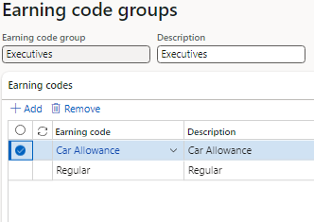
Master sheet'!A1
1 | Basis pay code group
2 | Description
3 | Earning codes | list of all pay codes having rate basis "flat amount" and that pay codes are already assigned to employees.

Pay code Assignment
Master sheet'!A1
 | There will be a sperate module called Payroll
 | Here also Employess list is coming with basic information only
 | And on employees all menues related to payroll will be coming lik pay code assignment etc
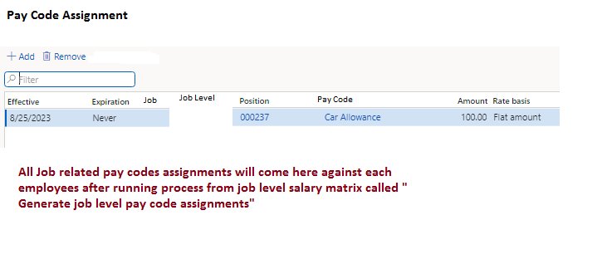
1 | Effective date
2 | Expiration date
3 | Job
4 | Job Level
5 | Position
6 | Pay Code
7 | Amount
8 | Rate Basis

 | Pay codes not depend on job toggle
1 | There is a process on pay code setup called "Generate pay code assignments"
2 | System will assign paycode to all active employees with amount in pay code setup.
3 | System will assign the pay code assignment start date with the joining date, if employee joining date doesn’t exist then use the current date as an paycode assignment date.
4 | System will assign the pay code assignment expiration date with Never.
5 | If pay codes other than job toggle are already assigned to employee then skip the pay code assignment to that particular employee.

 | On employee termination
1 | On termination, set all pay code employee assignments expiration date with employee termination date and employee status will change to inactive.

 | After every new HR year
1 | There will be a process called " New year process"
 | This process will do no of things but not limited to
1 | Open new HR year
2 | Update the leave balances against employees
3

1
2
3

Payroll Posting Accounts Setup
Master sheet'!A1

 | Payroll Account Type | Gross Pay (DR)
 |  | Deduction (CR)
 |  | Benefits Expense (DR)
 |  | Benefits Payable (CR)
 |  | Benefits Deduction (CR)
 |  | Salary Tax (CR)
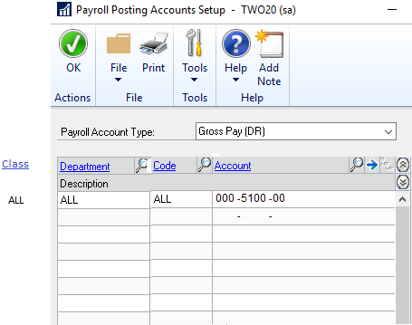

 |  | ALL should be fixed in all columns classm department, and code list.

Annual Increment Process
Master sheet'!A1

 | Yearly incremental pay code increment upto max level set into job level salary matrix.

 | Formula:
 | Last active incremental pay code amount + (Last active incremental pay code amount * increment %)
 | System will update the last pay code assignment expiration date with the last day of the month of previous HR year.
 | System will assign the new pay code assignment start date with the first day of the first month of HR new year.
 | System will assign the new pay code assignment expiration date with the job level assignment expiration date.

 | System should check the HR calendar exist and look for next year date if not exist then give message
 | "Please create the HR calender before run annual salary increment process."

 | If assignment start date equal to first day of the first month of HR new year exist against any employee pay code assignment, then sytem IGNORE the increment.
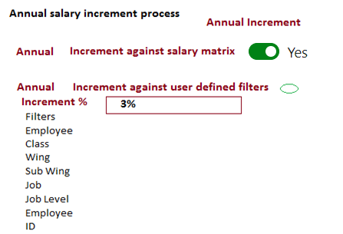

 | Filters
 | Employee Class
 | Wing
 | Sub Wing
 | Job
 | Job Level
 | Employee ID

 | 1 | user can select any one option if select annual increment against salary matrix option then second option will disabled and wise versa.
 | 2 | If user select the second option then filters will be enabled otherwise disabled.
 | 3 | on the basis of filters, system fetch the employees and then update amount against those fetched employees in pay code assignment window. System will pick the increment % figure from here 3%.
 | 4 | if first option selected then all active employees selected and update amount in pay code assignment window as per increment level set in job level salary matrix.
 | 5 | In both option, system should restrict the amount upto max level set in job level salary matrix.

Payroll Transaction Entry
Master sheet'!A1
 | Payroll transaction entry has two purposes.
 | 1 | Use the Payroll Transaction Entry window to enter, adjust or delete payroll transactions adhoc basis.
 | 2 | For auto payroll transactions that are created against any process like EOS, earned leaves etc
 | 3 | These saved batches will be added later on in build check process

 |  | Creation of Batch
 | 1 | Batch ID
 | 2 | Comment
 | 3 | Origin | Payroll Transaction Entry
 |  |  | Payroll Manual Check
 |  |  | Build check

 | Payroll Transactio Window
 | 1 | Batch ID
 | 2 | Payroll Period | open Payroll pay period list
 | 3 | Trx No | S.No. only require in grid at runtime
 | 4 | Employee ID
 | 5 | Employee Name | Employee name auto fill
 | 6 | Trx Type | Pay | list values batch entry yes
 |  |  | Deduction | list values batch entry yes
 |  |  | Benefit | list values batch entry yes

 | 7 | Code | list selection based on Trx type
 | 8 | Dept | Auto employee related department, read only
 | 9 | Unit | Default unit from employee assignment window
 | 10 | Amount | Default amount from employee assignment window
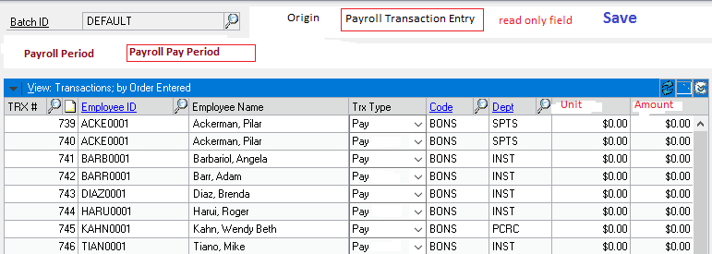

 | 1 | When user click on code column, system will only show those available codes that having relationship exist in code assignment window as per Trx type.
 | 2 | Once payroll transaction entry used in build checks and build check posted successfully, then transactions related to batch will be deleted from this table.

Payroll Mass Transaction Entry
Master sheet'!A1
Use the Payroll Mass Transaction Entry window to enter similar Payroll transactions for a large group of employees.

Batch ID
Transaction type | Pay | list values batch entry yes
 | Deduction | list values batch entry yes
 | Benefit | list values batch entry yes
Code
Description | Code description | show description once code selected
Payroll Period | open Payroll pay period list

Unit |  | Unit field enable if pay and deduction code rate basis are fixed amount, hourly and daily with unit value in code setup. In case of benefit transaction type unit field remains disabled and blanked.
Amount |  | Amount field enable once pay and deduction code rate basis are Fixed Amount, hourly, and daily with amount value in code assignment window.
 |  | Amount field enable once benefit code rate basis are Fixed Amount with amount value in code assignment window.
 |  | If any code type rate basis is fixed amount and percent of earning, then unit and amount field will remain disabled.

Range | Employee ID | list view | All | From | list | To | list
 | Class ID |  |  | on basis of range user can select from and to range
 | Department
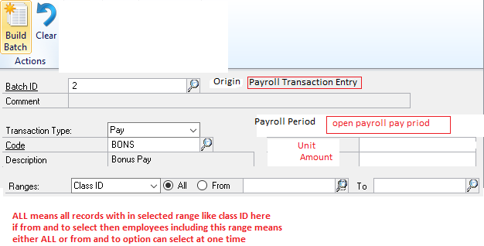

 |  |  |  |  |  |  |  | amount ype | fixed
 |  |  |  |  |  |  |  |  | based on percent earning
 |  |  |  |  |  |  |  | filter | wing
 |  |  |  |  |  |  |  |  | religon

 | 1 | On build batch, system will create payroll transactions with selected employees and transaction code type and save it in a batch ID
 | 2 | If rate basis is percent of earning, then system will do auto calculation as per employee assignment window
 | 3 | System will create payroll transactions only against employee pay code assignment exist.
 | 4 | The artifects of transactions will be exactly like a payroll transaction entry
 | 5 | System will save the transactions in payroll transaction entry table
 | 6 | User can open generated transactions in payroll transaction entry.
 | 7 | User can change the amount or unit in payroll transaction entry form
 | 8 | User can delete the row in payroll transaction entry

Payroll Manual Pay Entry
Master sheet'!A1
 |  | Payroll Manuall Check Entry window will use to post the payroll transaction at any time without build payroll

 | 1 | Check Type | Manual Check
 |  |  | Beginning Balances
 | 2 | Batch ID
 | 3 | Manual check entry No
 | 4 | Posting date
 | 5 | Employee ID
 | 6 | Employee Name
 | 7 | Trx No
 | 8 | Employee ID
 | 9 | Employee Name | Employee name auto fill
 | 10 | Trx Type | Pay | list all values
 |  |  | Deduction | list all values
 |  |  | Benefit | list all values
 | 11 | Code | list selection based on Trx type
 | 12 | Dept | Auto employee related department, read only
 | 13 | Unit | Default unit from employee assignment window
 | 14 | Amount | Default amount from employee assignment window

 | 1 | In case of manual check selection distribution window will open, Both financial (distribution) and employees ledger entries will be created.
 | 2 | In case of beginning balances selection distribution window will not open, disabled option. No distribution entries will be created as well. Only employees ledger entries will be created.
 | 3 | User can only post manual checks once gross amount and net amount equal and greater then zero
 | 4 | Gross amount = sum of all pay code amount * unit
 | 5 | Net amount = sum of all pay code amount * unit - sum of all deduction amount * unit
 | 6 | Benefits code have no impact on gross and net amount calculation
 | 7 | Distribution entry window
 | 8 | Financial and employees ledger will be created with transaction date
 | 9 | system should check the open payroll year before posting
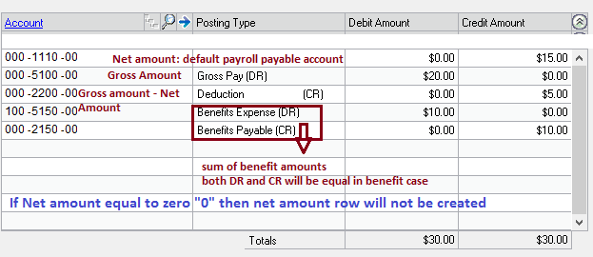

 | 9 | After posting manual pay will be posted in pay history table

Build Pay
Master sheet'!A1
 | Build pay is used to process payroll monthly automatically based on employee assignment

1 | Batch ID
2 | Build Date
3 | Posting Date
4 | Pay Period
5 | Employee Class
6 | Select Batches | List of payroll transaction entry batches having records

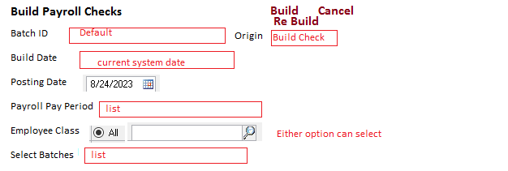

 |  |  | filter | religion
 |  |  |  | wing

1 | On build, system will do calculation of salary
2 | System will check the employees in assignments window and check dates validity on assignments and match to fall under payroll pay period on build payroll checks.
3 | On that basis system will process the transactions on pay, deduction and benefit sides.
4 | System check create a journal entery per setup in payroll setup and according to that check the payroll posting accounts combination in payroll posting accounts setup
5 | If accounts combination is missing, system give message
 | "Payroll posting account combination is missing in payroll posting account setup"
6 | If pay code is taxable assigned then system must check salary tax type account exist in payroll posting account setup otherwise give message
 | "Salary tax account combination is missing in payroll posting account setup"
7 | System will check employee class, department and code assignment in payroll posting account setup one by one against employee, if no combination exist in payroll account setup, then give messages as above.
8 | If ALL is selected in any column of payroll posting account setup then that column should exclude in account combination checking.

9 | Only one build at a time, if rebuild then previous build computation will be deleted.

Gratuity Process
Master sheet'!A1
 | Gratuity process run once every year.
 | if gratuity already run, then system give message
 | "Gratuity computations are already run for the selected payroll year"

 | 1 | Gratuity process ID | disable field auto system generated ID/depends on no series setup
 | 2 | Payroll year ID | list show all payroll year that are open

 | 3 | Run Gratuity

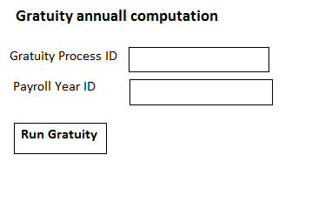

 | 1 | on run gratuity process, system check the control in gratuity setup for calculating gratuity
 | 2 | There will be one gratuity benefit attached with employee
 | 3 | gratuity benefit based on group of earning code setup in benefit
 | 4 | the employees attached gratuity benefit, system will calculate gratuity
 | 5 | Last Gross Salary (All paycodes, e.g. Lumsum salary, HQ allowance, IT Allowance)* gratuity factor
 | 6 | double entry, account will be picked from payroll posting account
 |  | DR gratuity expense
 |  | CR gratuity liability

 | 7 | Gratuity will be paid off to employee once employee move to next position/after progression process

 | 1 | Gratuity payment ID
 | 2 | Bank Account | list of bank IDs from D365 FO through API
 | 3 | posting date

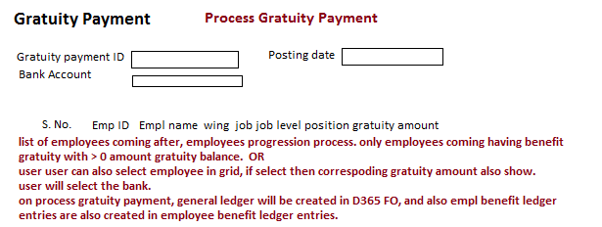

 | 1 | List of employees coming after employees progression process completed. Only employees coming having amount gratuity balance > 0 OR
 | 2 | User can also select employee in grid, if select then correspoding gratuity amount balance also show.
 | 3 | User will select the bank.
 | 4 | On process gratuity payment, general ledger will be created in D365 FO, and also empl benefit ledger entries are also created in employee benefit ledger entries in payroll portal.
 | 5 | Double entry will be
 |  | DR benefit liability
 |  | CR Bank

 |  | in progression process, we will also make a process to filter out the employees as per condition mentioned in gratuity setup having gratuity amount > 0 and save it in gratuity payment table.

